Data Flow
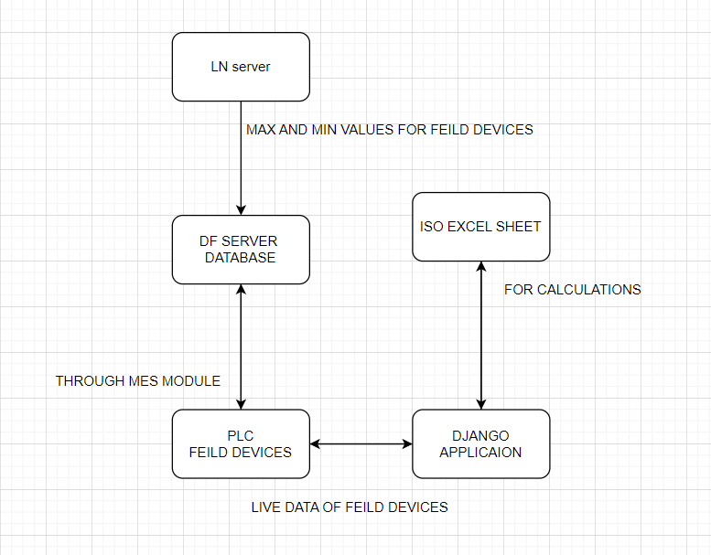
SENARIO - 1 | Programming in Django

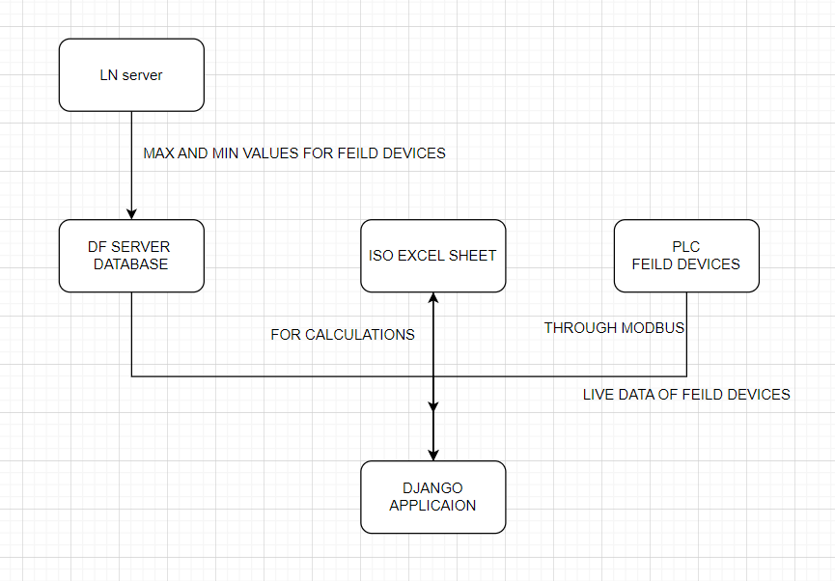

SENARIO - 2 | Programming in PLC

